Biomass
Technology type | RE potential (TWh/year) | Capacity factor (%) | Capacity (MW)
Onshore wind | 1380 | 47% | 338,783
Offshore wind | 522 | 45% | 132,420
Hydro | 1020 | 60% | 194,064
Solar farming | 308 | 15% | 234,399
Solar PV (Rural) | 21 | 20% | 11,986
Biomass | 262 | 31% | 96,480
Wave | 73 | 10% | 83,333
Tidal | 16 | 15% | 12,177
Solar thermal (rural) | 52 | 45% | 13,191

Note: unless indicated otherwise, capacity factors are those used in the report.
Capacity factors for onshore and offshore wind sourced from Lazard LCOE 11.0
https://www.lazard.com/media/450337/lazard-levelized-cost-of-energy-version-110.pdf
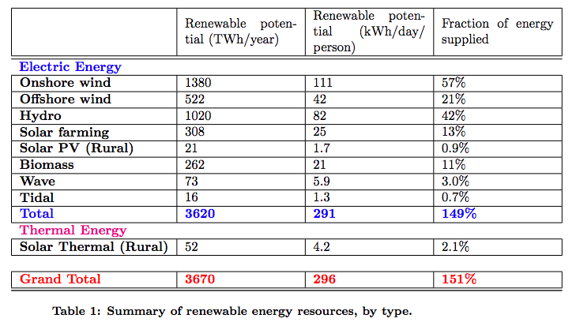

http://wellbeing.ihsp.mcgill.ca/publications/Barrington-Leigh-Ouliaris-IAEE2016.pdf

Solar
https://globalsolaratlas.info/global-pv-potential-study
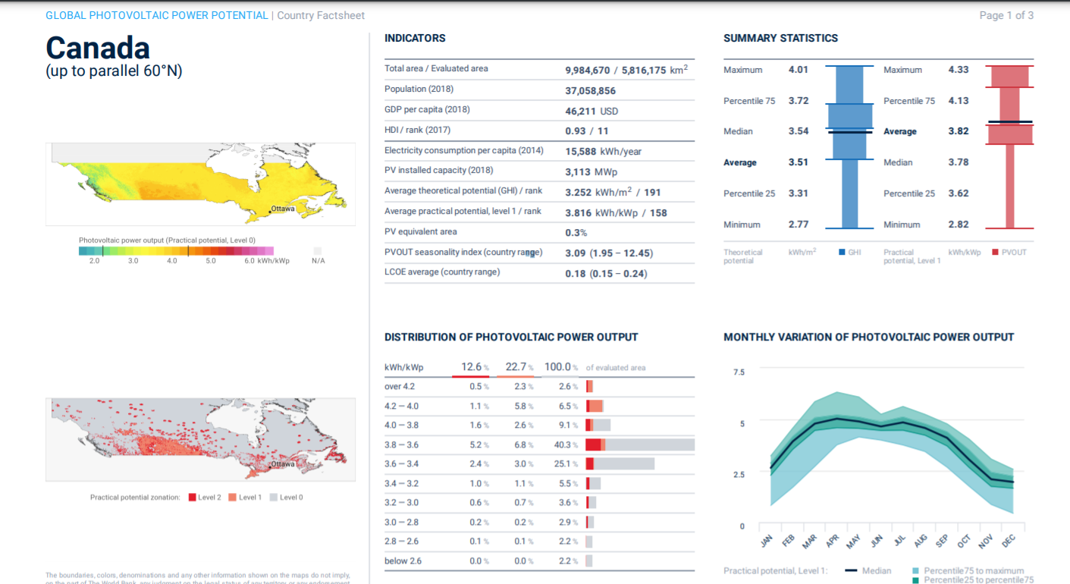

Total Solar Potential Calculation
Capacity Factor | 0.159
Total Area (m2) | 5816175000000
Theoretical Potential (kWh) | 18914201100000
Solar Potential (MW) | 4956551650.9

Wind
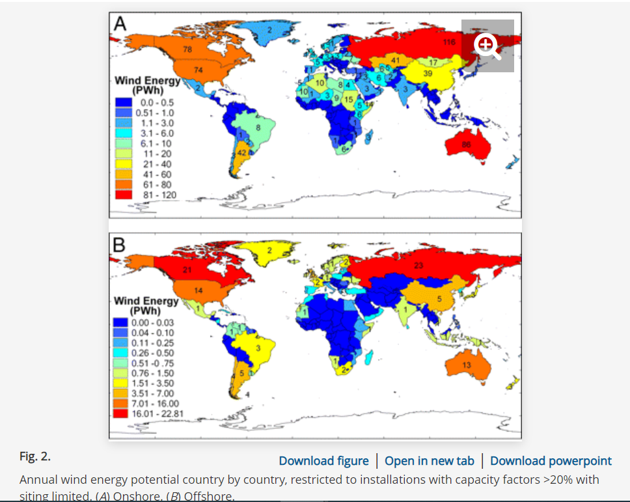
https://www.pnas.org/content/106/27/10933

PWh to MW
Onshore | 16250000000
Offshore | 4375000000
Assumed 20% capacity factor on these calculations.

